Login Signup
TC ID | Module | Test Scenario | Precondition | Steps | Expected Result | Actual Result | Status | Screenshots
1 | Login / Sign In | Verify validation message when email field is left blank | User is on Sign In page | Click Sign In Leave email field empty Click Continue | System should display "Email is required" validation message | System displays "Enter a valid email address" instead. | Fail | 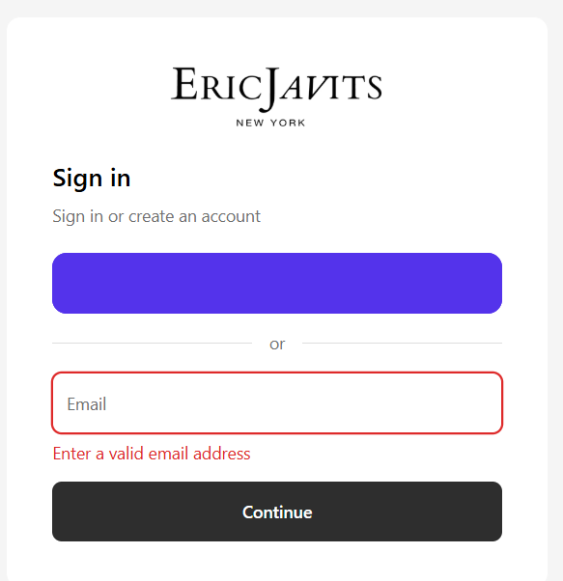

2 | Login – UI Interaction | Verify interactive behavior of "Use email instead" option | User is on Sign In page | Navigate to Sign In page Hover over "Use email instead" Observe cursor and UI response Click on the option | Clickable elements should provide visual feedback (pointer cursor, hover effect, underline, or color change) and respond clearly on click | No hover effect or visual feedback observed. UI appears static and non-interactive | Fail / Observation (based on behavior)
3 | Login / Authentication | Verify account creation option visibility |  | Enter a new email address Click Continue Observe next screen | System should clearly provide a visible option for account creation if user is new | System displays message “Sign in or create an account” but no explicit account creation option is shown | fail
4 | Footer – Privacy Policy | Verify contact information availability in Privacy Policy | User is on Privacy Policy page | Scroll to “Contacting Us” section Check for email / phone / address details | Privacy Policy should include official contact information for privacy-related queries | No email address, phone number, or physical address mentioned under “Contacting Us” section | fail
5 | Footer – Terms of Service | Verify contact information availability in Terms of Service | User is on Terms of Service page | Scroll to contact section Check for email / phone / address details | Terms of Service should include official company contact information for user queries | No contact email, phone number, or physical address provided. The same generic contact line as mentioned in the Privacy Policy section is repeated without specific contact details | fail

My account
TC ID | Module | Test Scenario | Precondition | Steps | Expected Result | Actual Result | Status | Screenshots
1 | My Account – Add Address | Verify user is able to save address after filling mandatory fields | User is logged in and on Add Address page | Navigate to My Account Click Add New Address Fill all mandatory fields Enter valid data in Address Line 1 Click Save | System should allow user to save address successfully after filling all required fields | User is unable to save address because mandatory address field does not accept input / shows validation error | fail | 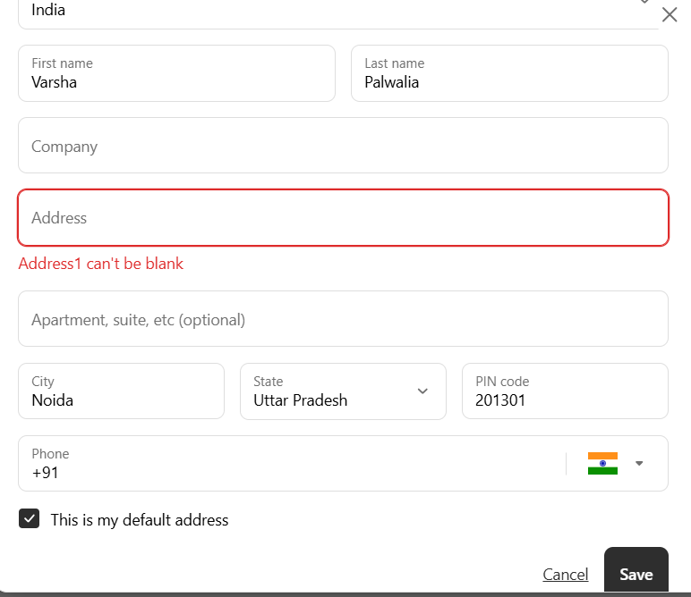
2 | My Account – Add Address | Verify mobile number field validation for maximum length | User is on Add Address page | Enter more than 10 digits in mobile number field +91956478523355666 Click Save | System should restrict input to 10 digits OR display validation error for exceeding limit | System shows no error while adding more than 10 digits without any validation error | fail
3 | My Account – Add Address | Verify UI consistency of Cancel button | Navigate to Add Address page Observe Cancel button styling | Navigate to Add Address page Observe Cancel button styling | Cancel button should have proper button styling consistent with design (background, border, padding, hover effect) | Cancel appears as plain underlined text without proper button styling, making it look non-interactive | fail

